1. Title Page
Basket Analysis

Project Name: Basket Analysis
Date: 04/23
Analyst Name: Joseph Green

Contents:
Population Flow
Consistency checks
Wrangling steps
Column derivations
Visualizations
Recommendations

Data Citation
“The Instacart Online Grocery Shopping Dataset 2017”, Accessed from Career Foundry link which references https://www.instacart.com/datasets/grocery-shopping-2017 on 04/23.
Conducted for learning purposes, Prices, customer data fabricated.

2. Population Flow
Title page

Population flow

Exclusion flag
Condition: max_order <
Obervations to be removed:
Final total count of order_products_all:

Orders_products_combined
Orders_products_merged
Orders_products_all

Total: 32434212
Total: 32434489
Total: 32406041

1.) The grey boxes in the first row of the population flow represent the original data sets as they were when you downloaded them. In the Total fields you need to add the count of the rows when you imported the data set into Jupyter.
2.) The second row of boxes (coloured) represents the data sets after you manipulated them, e.g., removed missing values and duplicates. In the Total fields you need to add the count of the rows after conducting these operations. This offers a visual oveview of how the data flows throughout the data consistency checks.
3.) The third row, where also the arrows are coloured, represents the merges you performed between the datasets. In the Total fields you need to add the count of the rows in the merged datasets, so that you end up with the final dataset (in the red box). Keep in mind the final dataset should be without exclusions (based on the exclusion flag).

3. Consistency checks
 |  |  |  | Title page
Consistency checks

Dataset | Missing values | Missing values treatment | Duplicates
orders | days_since_prior_order | no treatment to keep from altering assesment of column. Lack of a value indicates this was the first order. Used Crosstab to confirm.
products | product_name | remove records
orders_products_prior

orders_products_merge | prices | updated prices with closer counterpart in product naame | Picking product_id 2962, "milk, Reduced fat, 2% Milkfat", 2.70 Will replace all 99999.0 values to 2.70 for product_id 33664 "2 % Reduced Fat Milk" Picking product_id 2962, "Grade A Pasteurized 2% Milkfat Lowfat Cottage ... ", 3.30 Will replace all 14900 values to 3.30 for product_id 21553 "Lowfat 2% Milkfat Cottage Cheese"
orders_products_merge | freq_flag | a NaN value indicated there was no date_since_last_order data which means it is a first time order. If a user has NaN in freqency then they bought once and never again so I replaced all NaN in the freq_flag Column to be infrequent shopper.
customers | first_name | updated all NaN to N/A
orders_products_merge | median_prior_order | no treatment to keep from altering assesment of column. Lack of a value indicates this was the first order and the only order by this customer

4. Wrangling steps
 |  |  |  |  | Title page
Wrangling steps

Data Set | Columns dropped | Columns renamed | Columns' type changed | Comment/Reason
Orders | eval_set (Orders data frame) |  |  | Told I would not need it, and it does not appear to be descriptive of anything with the order.
Orders |  | order_dow : order_day_of_week |  | Clarity
Orders |  |  | order_id | Changed to string to keep the columns from bogging down the describe() function when used.
Orders |  |  | user_id | Changed to string to keep the columns from bogging down the describe() function when used.
Orders |  |  | order_number | Changed to string to keep the columns from bogging down the describe() function when used.
Orders |  | days_since_prior_order : days_since_last_order |  | Clarity
Customers |  |  | user_id | made an object to keep from bogging down the system and match type for orders
Customers |  |  | date_joined | changed to datetime64 to match the fact it is a date
Customers |  | First Name': 'first_name' |  | Clarity
Customers |  | 'Surnam' : 'last_name' |  | Clarity
Customers |  | 'Gender' : 'gender' |  | Clarity
Customers |  | 'STATE' : 'state' |  | Clarity
Customers |  | 'Age' : 'age' |  | Clarity
Customers |  | 'n_dependants' : 'number_of_dependents' |  | Clarity
Customers |  | 'fam_status' : 'marital_status' |  | Clarity
orders_products_customers | first_name |  |  | PII removed
orders_products_customers | last_name |  |  | PII removed

5. Column derivations
 |  |  |  | Title page

Column derivations and aggregations

In this tab you should add tables below that the frequences of flags/label variables that you produced after deriving them. NB: don't do this for continuous variables, only for flags.
Dataset | New column | Column/s it was derived from | Conditions
orders_products_merged | price_range_loc | price | >15 'High-range product' <= 15 or >5 'Mid-range product' <5 'Low-range product'
orders_products_merged | busiest_days | order_day_of_week | if 0 "Busiest day" if 4 "Least busy" else "Regularly busy"
orders_products_merged | busiest_period_of_day | order_hour_of_day | if value == 3: ("Fewst orders") elif value == 10: ("Most orders") else: ("Average orders")
orders_products_merged | loyalty_flag | max_order | Max Order > 40 Loyal customer > 10 <= 40 Regular customer <= 10 New customer
orders_products_merged | spender_flag | mean_user_product_price | mean_user_product_price >= 10 High spender <10 Low spender
orders_products_merged | freq_flag | median_prior_order | median_prior_order <=10 Frequent customer >10 <=20 regular customer > 20 Non-frequent customer
orders_products_merged | Customer_profile |  | # New Parent: profile requirements # Age <= 40, # Income > 52,200 # department 18 # dependents > 0 # Young Professional: profile requirements #Age <= 40, #income > 52,200, #dependents = 0 #Department = irrelevant # Pet Owner: profile requirements - will write over other profiles #Age irrelevant #Income > 52,200 #Department = has 8 in purchases #Number of dependents irrelevant # Elderly: profile requirements - Will write over other profiles #Age > 67 #Income irrelevant #Department irrelevant #Number of dependents irrelevant # High income adult: profile requirements - Will over write other profiles #Age >= 35 #Income > 155,000 #Department irrelevant #Dependents irrelevant

6. Visualizations
Title page

Visualisations

In this tab you should include all the visualtions from Exercises 4.9 and 4.10, alongside the questions from the project brief that they answer. Include any commentary on the relationship between different variables.



Figure 1
From the histogram we can see that the busiest hours of th day are between 9am and 7pm.



Figure 2
From the count of prices, groupings for marketing could include 0-5, 6-10, 11-15 and >15

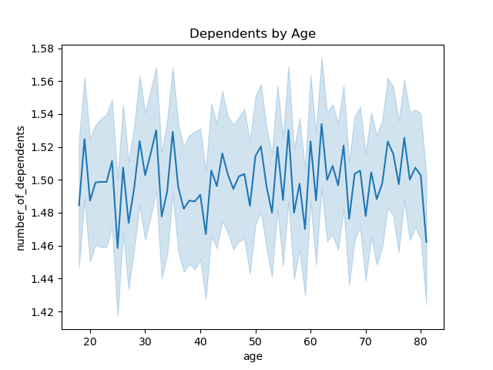

Figure 3
There seems to be little variation in which age groups have dependents. The buying behavior then should be presumed to have similar general habits with the need to raise children.

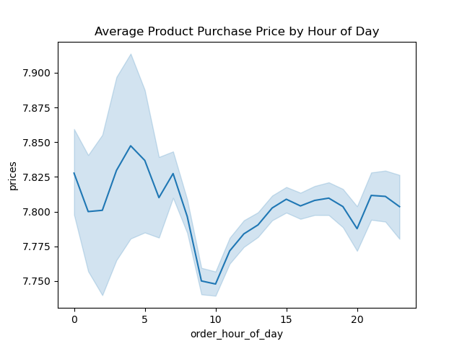

Figure 4
The most expensive products are purchased at the begining and end of each day. A significant dip in average price occurs between 9am and 10am.
Given the frequency of order data from figure 1 to get optimal outcomes for both price value and volume focusing on 5am-8am and 1pm-6pm is suggested

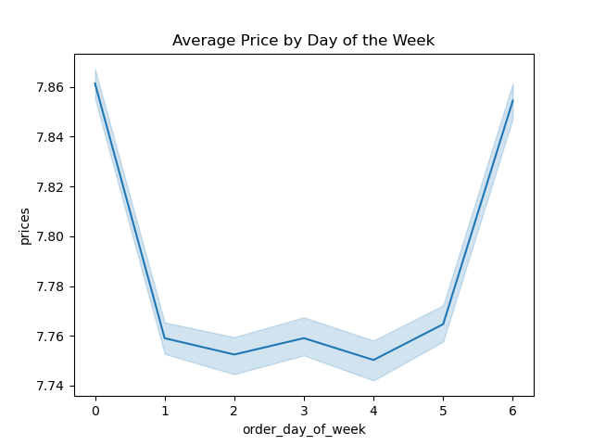

Figure 4
Average price also appears to be bookended but much more drastically from time of day. Sunday and Monday being the highest points

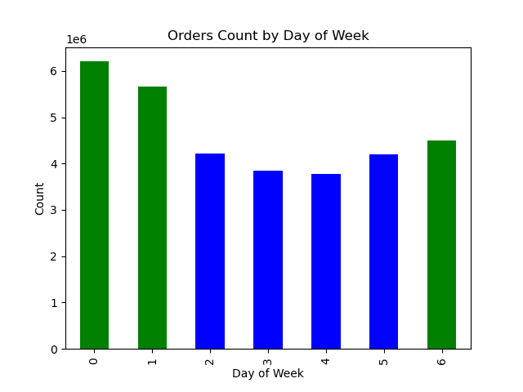

Figure 5
Order count mimics the average price graph in figure 4. Given the overlaps day zero is the optimal for advertising high end products.

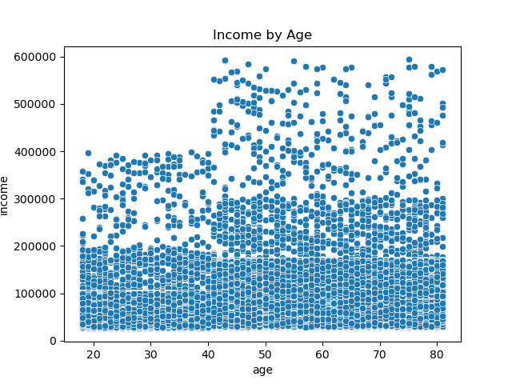

Figure 6
The 40 year old mark appears to be the significant jumping on point for income increase.

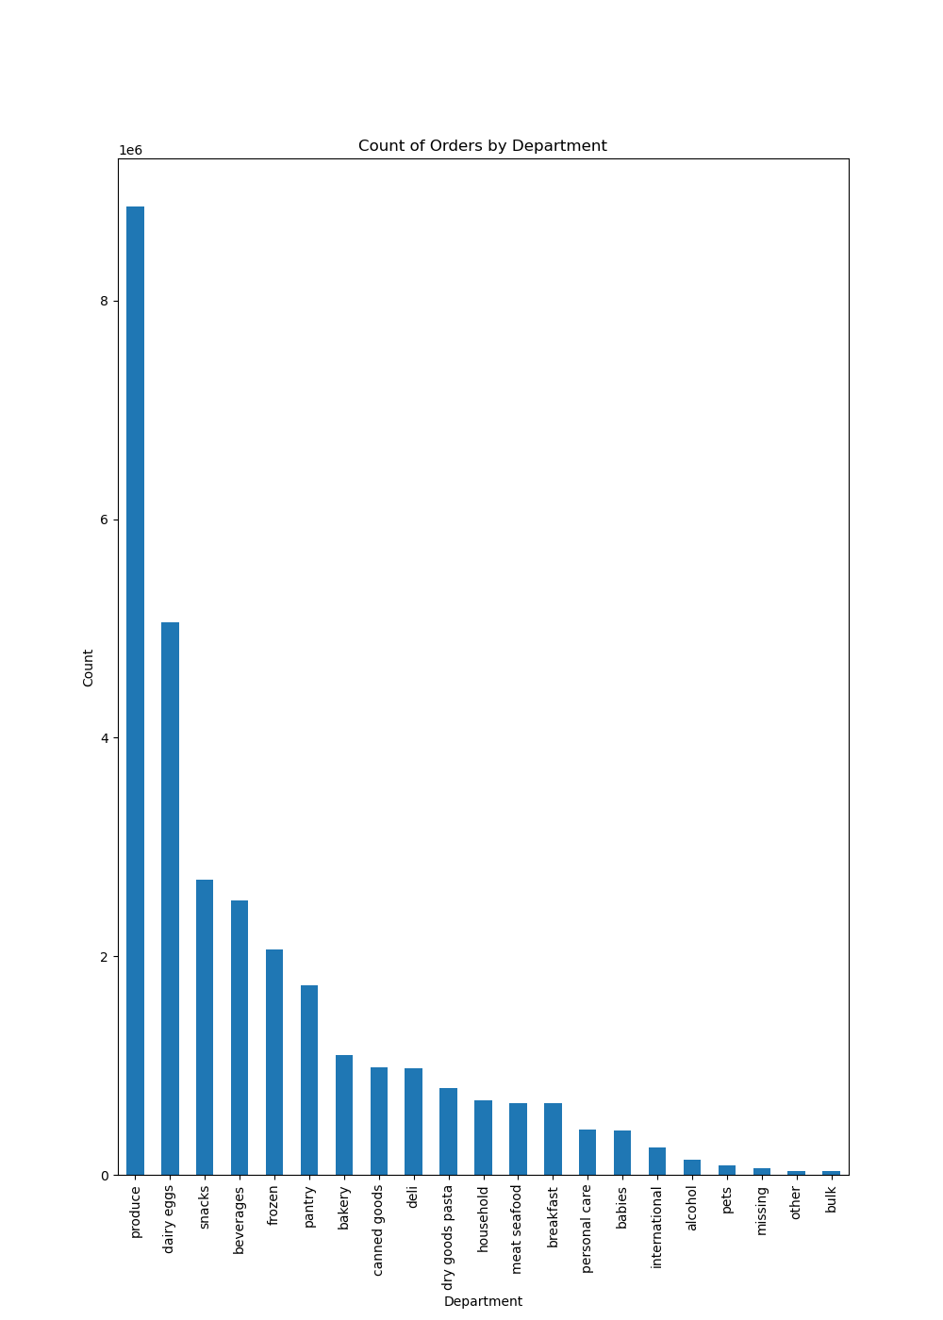

Figure 7
Produce is by far the highest order from departmetn with dairy & eggs, snacks and beverages following.

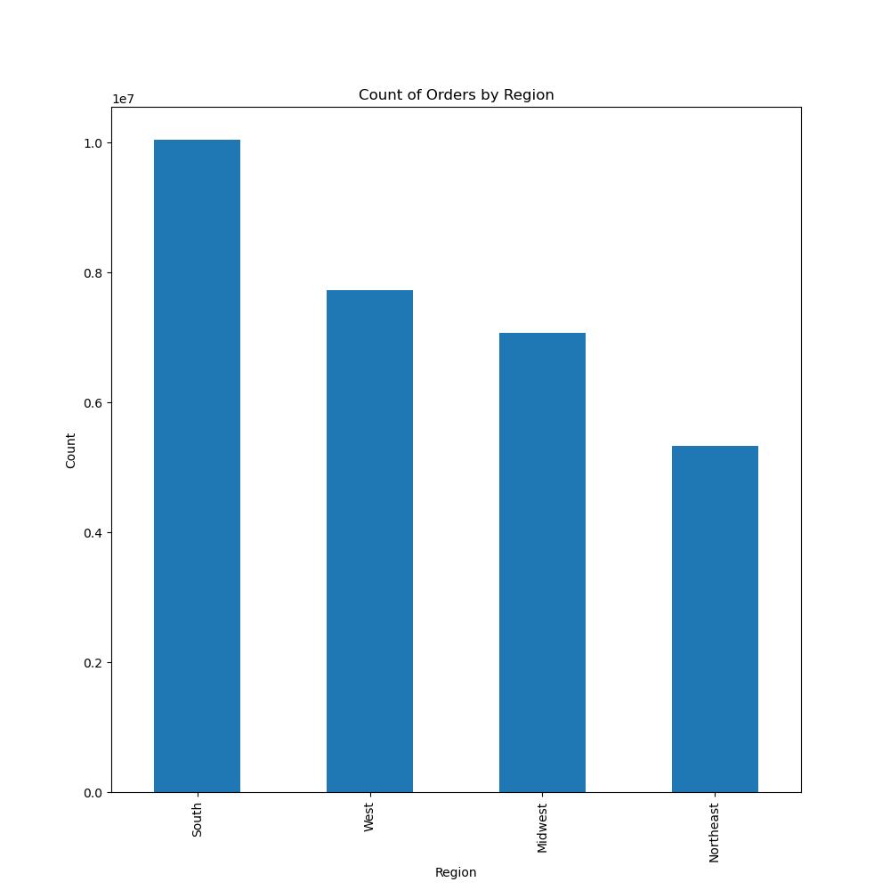

Figure 8
A majority of customer orders come from the Southern Region.
Alabama, Arkansas, Delaware, the District of Columbia, Florida, Georgia, Kentucky, Louisiana, Maryland, Mississippi, North Carolina, Oklahoma, South Carolina, Tennessee, Texas, Virginia, and West Virginia

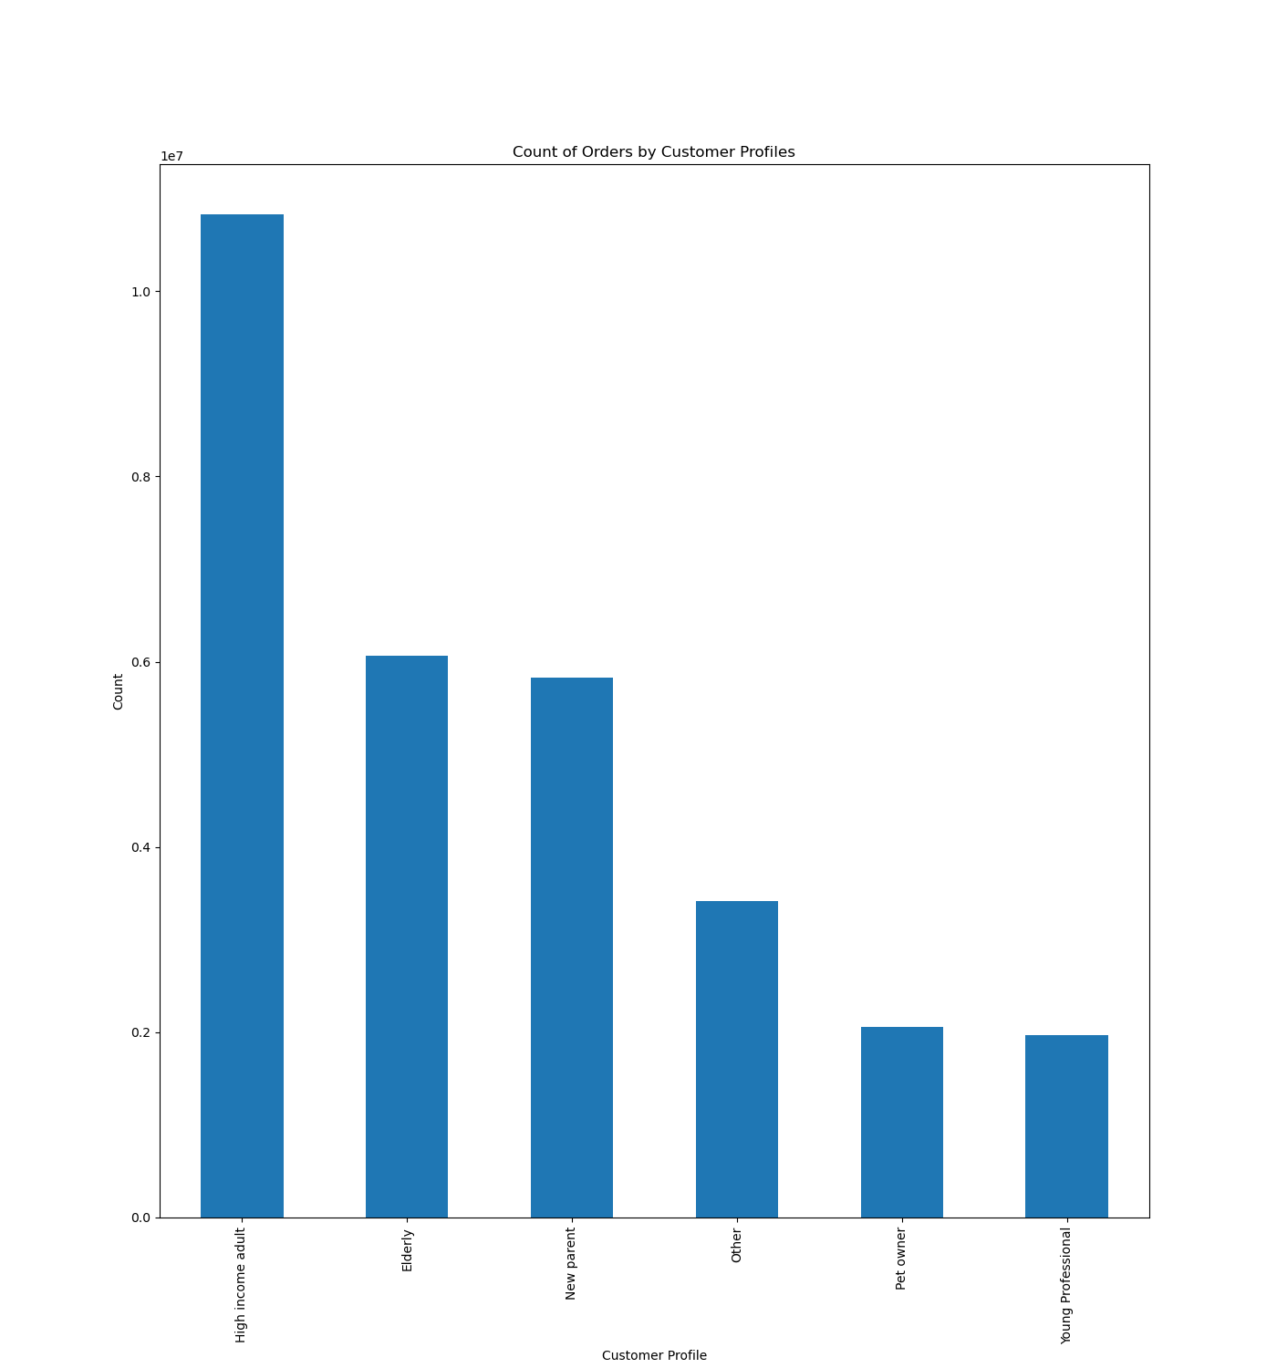

Figure 9
The greatest number of orders come from the high income adults profile:
Age >= 35
Income > 155,000
Department irrelevant
Dependents irrelevant
Followed by the elderly
Age > 67
Income irrelevant
Department irrelevant
Number of dependents irrelevant
and new parents
Age <= 40,
Income > 52,200
department 18 (Baby goods)
dependents > 0

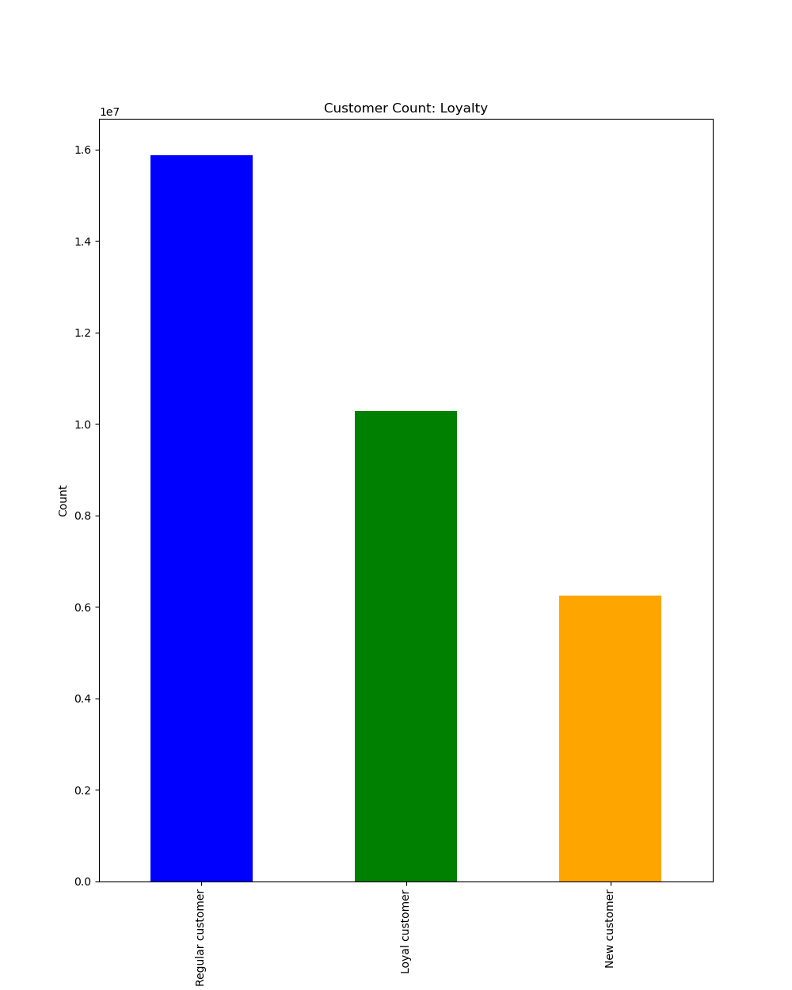

Figure 10
Midlevel loyalty is the most popular and those who use the system the least are also the smallest number of users. Instcart appears to be drawing in repeat business well.

7. Recommendations
 |  | Title page

Recommendations

In this tab you should include any recommendations you would make to Instcart in terms of their marketing strategy based on the questions posed in the brief. Every key question has been covered in the Tasks of the Exercises - here you need to add an item - a visualisation or table/crosstable that is showing the answer in the data, acompanied by a comment from you. Please, list the questions below and add the answer underneath.

Question | Answer
The sales team needs to know what the busiest days of the week and hours of the day are in order to schedule ads at times when there are fewer orders. | As can be seen on table 6 in figure 1 and 6 the buisest hours are 9am-7pm and buisest days are 0, 1, and 6
They also want to know whether there are particular times of the day when people spend the most money, as this might inform the type of products they advertise at these times. | As can be seen on table 6 in figure 4 the most expensive products are purchased at the begining and end of each day. A significant dip in average price occurs between 9am and 10am. Given the frequency of order data from figure 1 to get optimal outcomes for both price value and volume focusing on 5am-8am and 1pm-6pm is suggested
Instacart has a lot of products with different price tags. Marketing and sales want to use simpler price range groupings to help direct their efforts. | In table 6 figure 2 you can see the counts of all of the prices. From the count of prices, groupings for marketing could include 0-5, 6-10, 11-15 and >15
Are there certain types of products that are more popular than others? The marketing and sales teams want to know which departments have the highest frequency of product orders. | Table 6 figure 7 shows Produce is by far the highest ordered from departmetn with dairy & eggs, snacks and beverages following.
The marketing and sales teams are particularly interested in the different types of customers in their system and how their ordering behaviors differ | Please see figures 8-10 in table 6 and comments made on those figures to understand customer patterns

